10-10
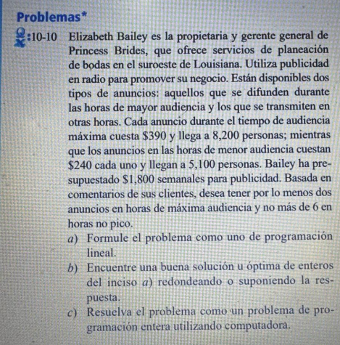

Max: z = | 8200x + 5100y
 | 390x + 240y <= 1800
 | X >= 2
 | Y <= 6
 | x, y >= 6

 |  | x | y
 | Rest 1 | 390 | 240 | 1800 | <= | 1800
 | Rest 2 | 1 |  | 4 | >= | 2
 | Rest 3 |  | 1 | 1 | <= | 6
 | F.O. | 8200 | 5100 | 37900
 | Celdas cambiantes | 4 | 1

 | Solucion
 | Z = | 37900
 | X = | 1800
 | Y = | 4

10-11
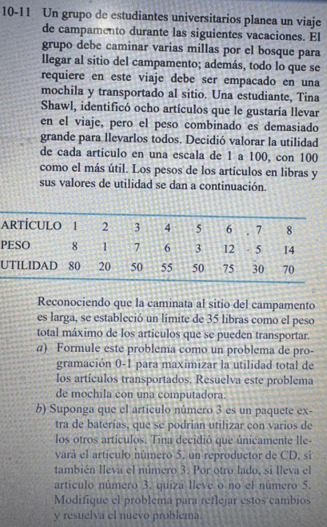

 |  | Max: Z = | 80x1 + 20x2 + 50x3 + 55x4 + 50x5 + 75x6 + 30x7 + 70x8
 |  | S.a: | 8x1 + 1x2 + 7x3 + 6x4 + 3x5 + 12x6 + 5x7 + 14x8 <= 35
 |  |  | X5 – x3 <= 0

 | x1 | x2 | x3 | x4 | x5 | x6 | x7 | x8
Rest 1 | 8 | 1 | 7 | 6 | 3 | 12 | 5 | 14 | 32 | <= | 35
F.O. | 80 | 20 | 50 | 55 | 50 | 75 | 30 | 70 | 260
Celdas cambiantes | 1 | 1 | 0 | 1 | 0 | 1 | 1 | 0

Solucion
Z = | 260
x1 | 1
x2 | 1
x3 | 0
x4 | 1
x5 | 0
x6 | 1
x7 | 1
x8 | 0

10-12
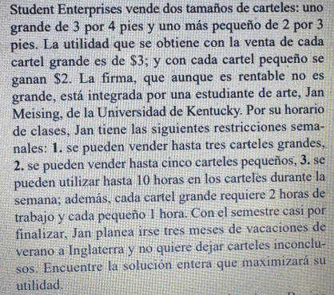
Max: z = | 3x1 + 2x2
 | X1 <= 3
 | X2 <= 5
 | 2x1 + x2 <= 10

 |  | x1 | x2
 | Rest 1 | 1 |  | 3 | <= | 3
 | Rest 2 |  | 1 | 4 | <= | 5
 | Rest 3 | 2 | 1 | 10 | <= | 10
 | F.O. | 8200 | 5100 | 45000
 | Celdas cambiantes | 3 | 4

 | Solucion
 | Z = | 45000
 | X1 = | 3
 | X2 = | 4

10-13
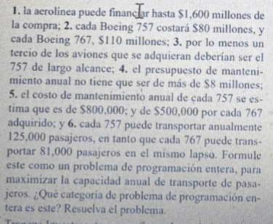
Max: | Z = 125,000x1 + 81,000x2
S.a: | X1 + x2 <= 17
 | 80x1 + 110x2 <= 1,600
 | X1 >= 1/3(x1 + x2) |  | 2x1 - x2 >= 0
 | 8x1 + 5x2 <= 80

 |  | x1 | x2
 | Rest 1 | 1 | 1 | 13 | <= | 17
 | Rest 2 | 80 | 110 | 1280 | <= | 1600
 | Rest 3 | 2 | -1 | 2 | >= | 0
 | Rest 4 | 8 | 5 | 80 | <= | 80
 | F.O. | 125000 | 81000 | 1273000
 | Celdas camb | 5 | 8

 | Solucion
 | Z = | 1273000
 | X1 = | 5
 | X2 = | 8

